Print Page 1
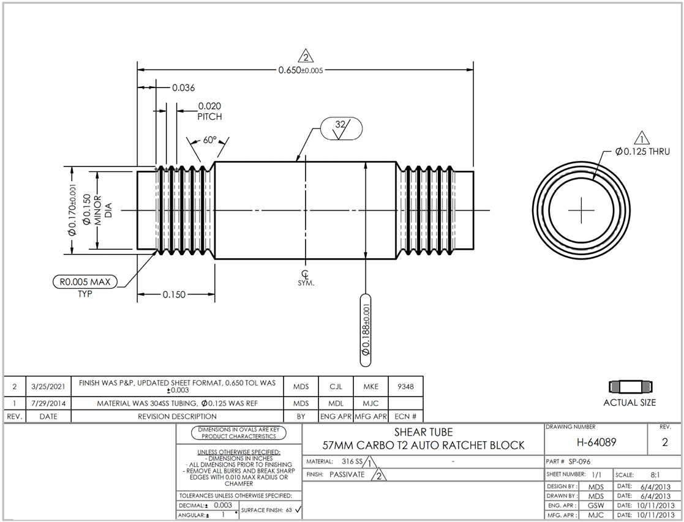

7
9
8

1
11

3

2

4

10
5

6

Tolerance Table
